Basics
1) User Interface,
2) Inserting, Deleting - Rows, Columns, Cells.
3) Hide, Unhide, Freeze
4) Copy, Paste, redo, undo
5) Go To, Find and Replace
6) Sorting, Filters
7) Paste and Paste Special

Find_Replace
Find | ctrl+f
replace | ctrl+h
goto | ctrl+g

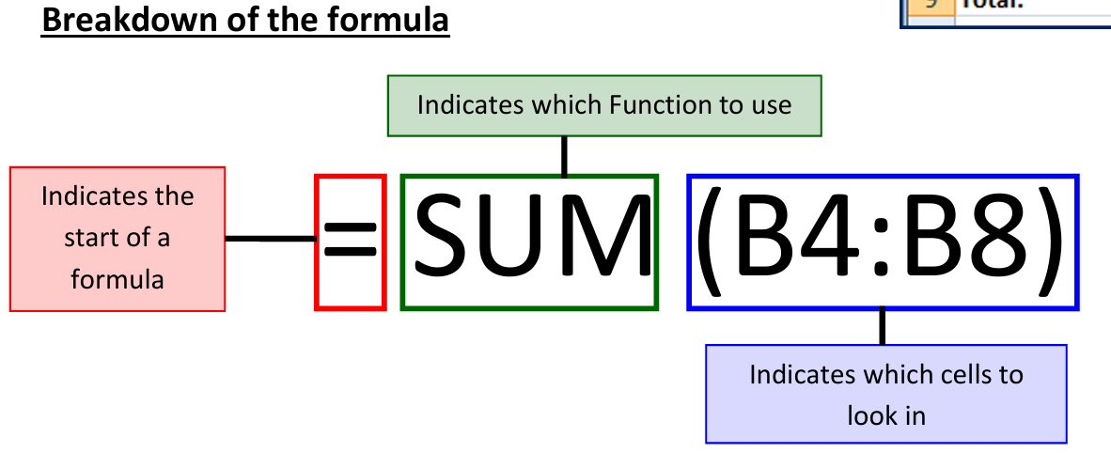
Formula
Function

undo | ctrl+z
redo | ctrl+y

Text Functions
Text Functions:
Upper, Lower, Proper, Left, Right, Mid, Len,Trim, Find, Search, Substitute, Replace, Concatenate
Names | Upper | Lower | Proper | Left | Right | Mid | Len
nike Shoes
Apple iPhone
boat Airpods
HP laptop
samsung mobile
Sony Camera
Ppuma tshirt
Dell Monito

Names | Trim | Search | Find | Substitute | Replace | with spaces | without spaces
Nike Shoes
Apple iPhone
Boat Airpods
HP Laptop
Samsung Mobile
Sony Camera
Puma Tshirt
Dell Monito |  |  |  |  |  |  |  | 1

Full Names | First Name | Last Name | Concatenate | TEXTJOIN
Sharukh Khan
Salman Khan
Ananya Pandey
Happy Singh
Akshay Kumar
Amir Khan
Aishwarya Rai
Madhuri Dixit

Full Names | First Name | Last Name
Sharukh-Khan | Sharukh | Khan
Salman-Khan | Salman | Khan
Ananya-Pandey | Ananya | Pandey
Happy-Singh | Happy | Singh
Akshay-Kumar | Akshay | Kumar
Amir-Khan | Amir | Khan
Aishwarya-Rai | Aishwarya | Rai
Madhuri-Dixit | Madhuri | Dixit

Full Names | First Name | Last Name
Sharukh//Khan
Salman//Khan
Ananya//Pandey
Happy//Singh
Akshay//Kumar
Amir//Khan |  |  |  |  | Sharukh-Khan
Aishwarya//Rai |  |  |  |  | Sharukh__Khan
Madhuri//Dixit |  |  |  |  | Sharukh//Khan

Full Names | First Name | Last Name
Sharukh__Khan
Salman__Khan
Ananya__Pandey
Happy__Singh
Akshay__Kumar
Amir__Khan
Aishwarya__Rai
Madhuri__Dixit

Logical&Comparitive Operators
Comparitive Operators :
=, >,<, >=, <=, <>
Logical Functions
Logical Test

1) Insert serial number column
2) Use comparitive operators and fill all the columns with boolean values
3) Highlight all the true values using conditional formating
 | What | No1 | No2 | Logical formula | Comparitive operation | Comparitive operation
 | Is 25 = 45? | 25 | 25 |  | = | Equal
 | is 25 <> 45? | 25 | 45 |  | <> , (!=) | Not Equal
 | is 25>45? | 25 | 45 |  | > | Great than
 | is 25>=45? | 25 | 45 |  | >= | Great than Or equal
 | is 25<45? | 25 | 45 |  | < | Less than
 | is 25<=45? | 25 | 45 |  | <= | Less than or Equal

Practice Example

 | What | No1 | No2 | Logical formula |  | Comparitive operation
 | Is 10 = 10? | 10 | 20 |  |  | Equal
 | is 10 <> 20? | 10 | 20 |  |  | Not Equal
 | is 10>20? | 10 | 20 |  |  | Great than
 | is 10>=20? | 10 | 20 |  |  | Great than Or equal
 | is 10<20? | 10 | 20 |  |  | Less than
 | is 10<=20? | 10 | 20 |  |  | Less than or Equal

